HVAC


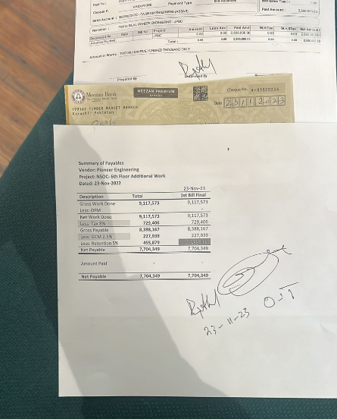

PIONEER SERVICES

M/S Patients’ Aid Foundation |  |  |  |  |  | Date |  | 11 May 2023
 |  |  |  |  |  | Quotation # |  | 078
 |  |  |  |  |  | NTN # |  | 1042854-2

Attn: Mr. Zameer Sahab

Quotation for OT Area 6th Floor Surgical Complex - JPMC KARACHI
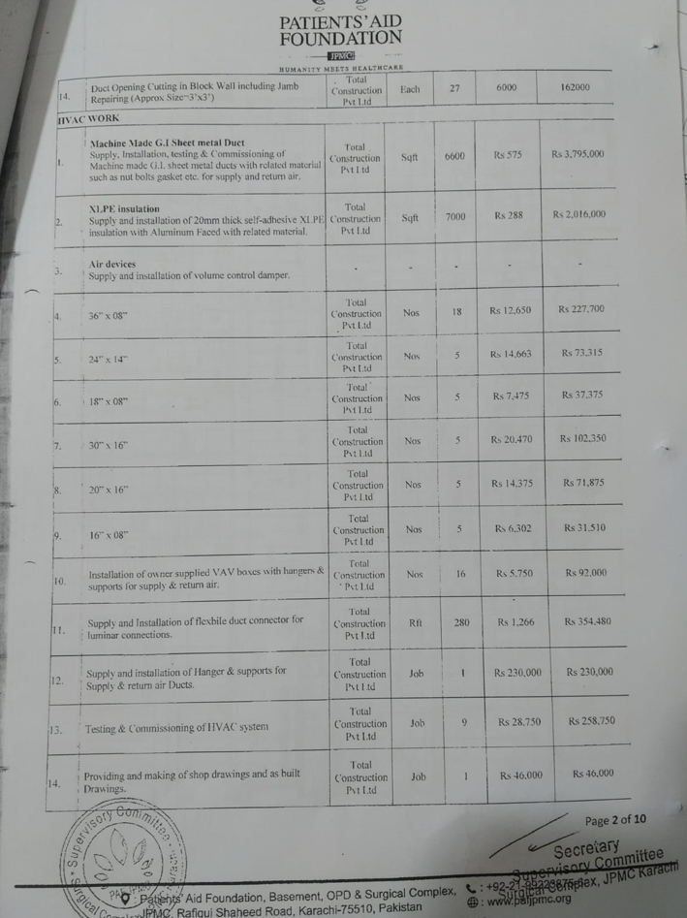

S. # | Description | Unit | Qty | Material Rate | Labour Rate | Material Amount | Labour Amount | Total Amount
 | Machine Made G.I Sheet metal Duct
1 | Supply, Installation, testing & Commissioning of Machine made G.I. sheet metal ducts with related mateiral such as nut bolts gasket etc for supply and return air. | Sqft | 6600 | 489 | 86 | 3,225,750 | 569,250 | 3,795,000
 | XLPE insulation
2 | Supply and installation of 20mm thick self adhesive XLPE insulation with Aluminum Faced with related material. | Sqft | 7000 | 485 | 57 | 3,395,000 | 402,500 | 3,797,500
 | Air devices
3 | Supply and installation of volume control damper
i | 36" x 08" | Nos | 18 | 11,500 | 1,150 | 207,000 | 20,700 | 227,700
ii | 24" x 14" | Nos | 5 | 13,512 | 1,150 | 67,562 | 5,750 | 73,312
iii | 18" x 08" | Nos | 5 | 6,325 | 1,150 | 31,625 | 5,750 | 37,375
iv | 30" x 16" | Nos | 5 | 19,320 | 1,150 | 96,600 | 5,750 | 102,350
v | 20" x 16" | Nos | 5 | 13,225 | 1,150 | 66,125 | 5,750 | 71,875
vi | 16" x 08" | Nos | 5 | 5,152 | 1,150 | 25,760 | 5,750 | 31,510
4 | Installation of owner supplied VAV boxes with hangers & supports for supply & return air. | Nos | 16 | - | 5,750 | - | 92,000 | 92,000
5 | Supply and Installation of flexbile duct connector for luminar connections | Rft | 280 | 1,093 | 173 | 305,900 | 48,300 | 354,200
6 | Supply and installation of Hanger & supports for supply & return air Ducts. | Job | 1 | 172,500 | 57,500 | 172,500 | 57,500 | 230,000
7 | Testing & Commissioning of HVAC system | Job | 9 | - | 28,750 | - | 258,750 | 258,750
8 | Providing and making of shop drawings and as built drawings. | Job | 1 | 11,500 | 34,500 | 11,500 | 34,500 | 46,000
Total Amount Rs |  |  |  |  |  |  |  | 9,117,573
Add Insulation amount due to Luminars |  |  |  |  |  |  |  | 650,000
Total Amount Rs |  |  |  |  |  |  |  | 9,767,573

Note: Bill will be claimed on actual measurements

For PIONEER ENGINEERING SERVICES

